ZenDesk Contact Create Json
A quick check on "Oracle Account Number": Only 47% of all organizations in Sell have an Oracle Account Number. 89% of organizations that have had opportunity associated with them have an Oracle Account Number
TOTAL: 287,525 organizations, 116,938 are listed as customers
135,002 organizations have an Oracle Account Number (104,941 customers); 152,564 that do NOT have an Oracle Account Number
Of the 129,603 contacts that have had an opportunity associated with them, 115,418 have an oracle account number.
There are 12,004 current customers and 2,181 past customers that do not have Oracle Account Numbers at all - these are organizations that have had an opportunity associated with them (could be lost, unqualified or won)
GET https://api.getbase.com/v2/contacts/224210979 | From Miki

{
"data": {
"id": 180461555,
"creator_id": 1238790,
"contact_id": null,
"created_at": "2017-08-18T22:09:20Z",
"updated_at": "2017-10-31T21:03:07Z",
"title": null,
"name": "Liberty Village of Marion",
"first_name": null,
"last_name": null,
"description": null,
"website": null,
"email": null,
"phone": null,
"mobile": null,
"fax": null,
"twitter": null,
"facebook": null,
"linkedin": null,
"skype": null,
"owner_id": 1240161,
"is_organization": true,
"address": {
"city": "Marion",
"line1": "3116 Williamson County Pkwy",
"postal_code": "62959",
"state": "IL",
"country": null
},
"shipping_address": {
"city": null,
"line1": null,
"postal_code": null,
"state": null,
"country": null
},
"billing_address": {
"city": null,
"line1": null,
"postal_code": null,
"state": null,
"country": null
},
"industry": null,
"tags": [],
"custom_fields": {
"Company Type": "Advertiser",
"EDW Number Advertiser": "97977",
"Oracle Account Number": "48472",
"Stations": [
"KBSI"
]
},
"customer_status": "current",
"prospect_status": "none",
"parent_organization_id": null
},
"meta": {
"version": 14,
"type": "contact"
}
}

Process Flow - Search
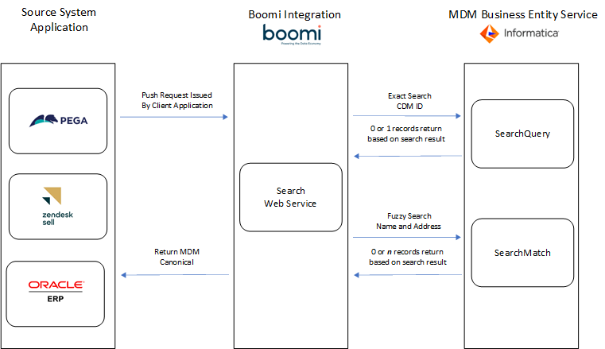
Process Flow

Process Flow - Standard Create
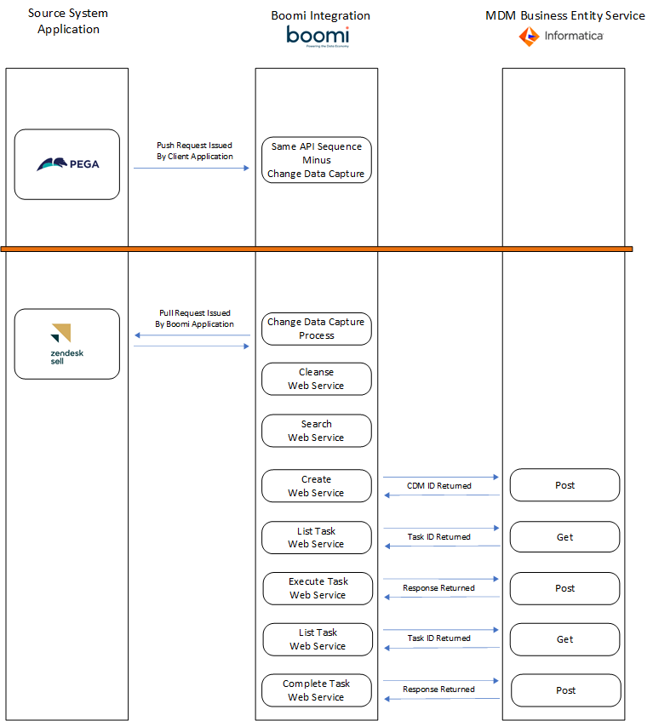
Process Flow

Process Flow - Standard Update
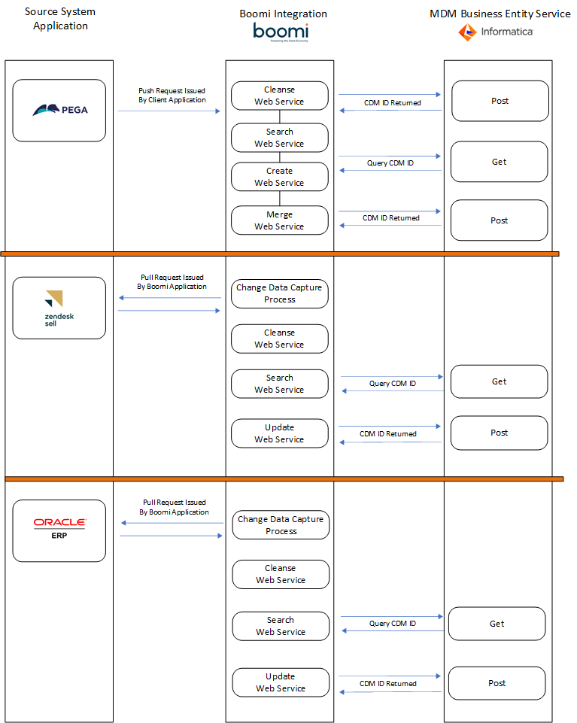
Process Flow

